Process 8,9
8) Fit the DBSCAN model
9) Model output ([period, cluster number])
Period | clstr
18 | 0
20 | 1
25 | 2
15 | 0
23 | 1 |  |  | Type is indicating the parameter modifications
27 | 2
31 | 3 |  | Type 1 |  |  | Type 2
36 | -1 | Model Parameter: eps=0.9 and min_sample=20 |  |  | Model Parameter: eps=0.7 and min_sample=15
16 | 0
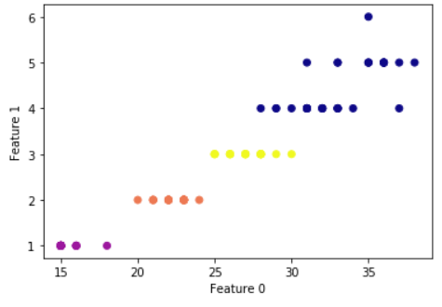
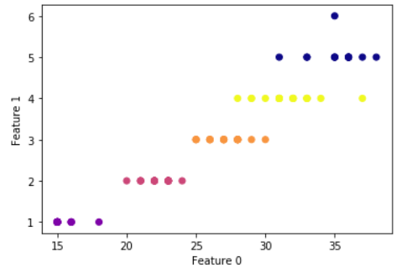
23 | 1
28 | 2
31 | 3
36 | -1
16 | 0
22 | 1
28 | 2
32 | 3
36 | -1
15 | 0
23 | 1
30 | 2
37 | 3
15 | 0
23 | 1
27 | 2
31 | 3
36 | -1
15 | 0
24 | 1
29 | 2
33 | 3
15 | 0
23 | 1
28 | 2
33 | 3
16 | 0
21 | 1
26 | 2
29 | 3
33 | -1
15 | 0
23 | 1
28 | 2
33 | 3
15 | 0
21 | 1
25 | 2
28 | 3
31 | -1
35 | -1
15 | 0
23 | 1
27 | 2
32 | 3
35 | -1
15 | 0
22 | 1
26 | 2
31 | 3
38 | -1
15 | 0
22 | 1
26 | 2
32 | 3
36 | -1
15 | 0
23 | 1
28 | 2
33 | 3
16 | 0
22 | 1
27 | 2
31 | 3
35 | -1
15 | 0
22 | 1
27 | 2
32 | 3
37 | -1
15 | 0
21 | 1
25 | 2
29 | 3
33 | -1
15 | 0
22 | 1
26 | 2
30 | 3
35 | -1
15 | 0
23 | 1
28 | 2
34 | 3

